inschrijven
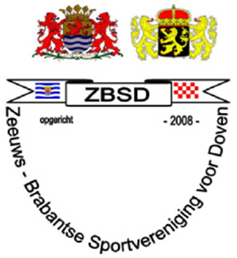
Registration form:

ZBSD tournament running & swimrun 29 september 2018

Association: |  |  |  | running |  | swimrun
 |  |  |  | 5 km | 10 km | 500 mtr swimming / 5 km running | 1 km swimming / 10 km running
Nr. | Name: | Date of birth | m / f
1
2
3
4
5
6
7
8

