inschrijven
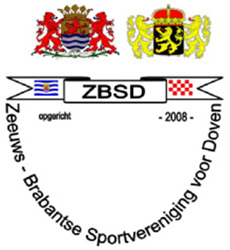
Registration form:

ZBSD swim tournament 28-29 september 2018

The distances you want to swim, populate your personal best.
For a distance that you would like to swim but never had before, populate NT.

 |  |  |  | Friday 28 september 2018 |  |  |  |  |  |  | Saturday 29 september 2018
Association: |  | Swim program: |  | 1 \ 2 | 3 \ 4 | 5 \ 6 | 7 \ 8 | 9\10 | 11 \ 12 | 13 \ 14 | 15\16 | 17 \ 18 | 19 \ 20 | 21 \ 22 | 23 \ 24 | 25 \ 26 | 27\28
 |  |  |  | 50 mtr freestyle | 200 mtr medley | 100 mtr breaststroke | 200 mtr backstroke | 25 mtr freestyle | 100 mtr butterfly stroke | 50 mtr backstroke | 200 mtr freestyle | 50 mtr butterfly stroke | 50 mtr breaststroke | 100 mtr freestyle | 100 mtr backstroke | 25 mtr breaststroke | 100 mtr medley
Nr. | Name: | Date of birth | m/f
1
2
3
4
5
6
7
8
9
10
11
12
13
14
15
16
17

